Vavle
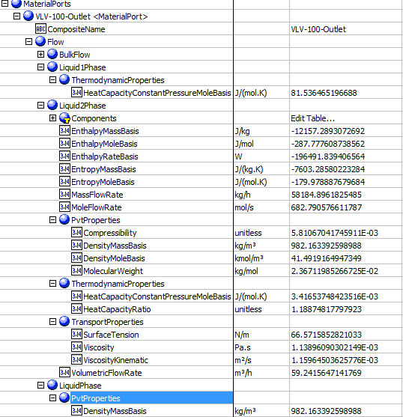
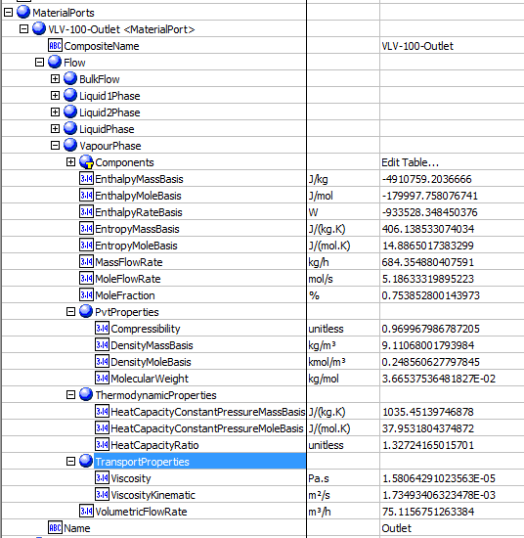
File name | control vavle_v2.0.hsc
Unit Operation | VLV-100

Workflow
1. Open attached control vavle_v2.0.hsc file.
2. Click on the Datasheet button on the ribbon.
3. Select a server to connect, then connect to a workspace.
4. Go to Mapper tab, click on the hyperlink of VLV-100 to open Object Mapping screen.
5. Select 'ControlValve' for the MapAs Column, and 'Create' for Workspace Object column.
6. Make sure the ports of valve are mapped automated.
7. Click on Close icon at the top right to close the Object Mapping screen.
8. Click Save Change and Transfer button. Make sure VLV-100 is created and data transfer complete dialog pops up. Click OK to close it.
9. Click on the Explorer tab, expand the control vavle to see all attributes, make sure all data are transferred correctly.

Expected Results

Vavle(CQ00746646) |  |  |  |  |  | In ABE

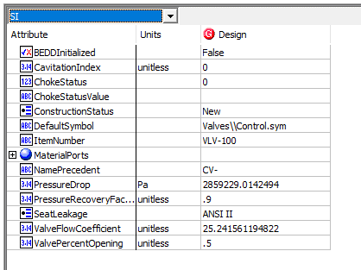
Index Number | Attributes | Hysys Attributes Name | ABE Default Attributes | Hysys Values | Units

1 | Inlet Mass flow | Streams.Intlet.Worksheet.Conditions.MassFlow | MaterialPorts[Name="Inlet"].Flow.BulkFlow.MassFlowRate, MassFlow | 58869.251534 | kg/h
2 | Inlet Actual volumetirc flow | Streams.Intlet.Worksheet.Properties.Act.Volume Flow | MaterialPorts[Name="Inlet"].Flow.BulkFlow.VolumetricFlowRate , VolumetricFlowIn | 59.905345169 | m3/h
3 | Inlet pressure | Streams.Intlet.Worksheet.Conditions.Pressure | MaterialPorts[Name="Inlet"].Flow.BulkFlow.Pressure, PressureIn | 3548.7049229 | kPa
4 | Differential Pressure | UnitOps.Rating.Sizing. Delta P | PressureDrop | 2859.2290142 | kPa
5 | outlet liquid density @normal | Streams.Outlet.Worksheet.Properties.Mass Density.Aqueous Phase | MaterialPorts[Name="Outlet"].Flow.LiquidPhase.PvtProperties.DensityMassBasis, Ports.Inlet.Liquid2MassDensity | 982.1633926 | kg/m3
6 | outlet liquid viscosity @normal | Streams.Outlet.Worksheet.Properties. Viscosity | MaterialPorts[Name="Outlet"].Flow.LiquidPhase2.TransportProperties.Viscosity, Ports.Outlet.Liquid2Viscosity | 1.138960903 | cP
7 | Outlet Vapor density @Normal | Streams.Outlet.Worksheet.Properties.Mass Density. Vapour Phase | MaterialPorts[Name="Outlet"].Flow.VapourPhase.PvtProperties.DensityMassBasis, OutletVaporDensity | 9.1106800179 | kg/m3
8 | Outlet Vapor Molecular Weight, OutletVaporMolecularWeight | Streams.Outlet.Worksheet.Properties.MolerularWeight. Vapour Phase | MaterialPorts[Name="Outlet"].Flow.VapourPhase.PvtProperties.MolecularWeight | 36.653753648 | g/mol | Outlet
9 | Outlet vapor heat capacity Cp/Cv, OutletVaporHeatCapacity | Streams.Outlet.Worksheet.Properties.Mass Heat Capacity. Vapour Phase | MaterialPorts[Name="Outlet"].Flow.VapourPhase.ThermodynamicProperties.HeatCapacityConstantPressureMassBasis | 1.03545139746878, 1.32724165015701 | kJ/(kg.K)
10 | Outlet vapor Compressibility facotr, OutletVaporCompressbility | Streams.Outlet.Worksheet.Properties.Z facotr.Vapour Phase | MaterialPorts[Name="Outlet"].Flow.VapourPhase.PvtProperties.Compressibility | 0.96996798679
11 | Outlet Vapor dynamic viscosity@normal, OutletVaporViscosity | Streams.Outlet.Worksheet.Properties.Viscosity | MaterialPorts[Name="Outlet"].Flow.VapourPhase.TransportProperties.Viscosity | 1.58E-02 | cP
12 | ValvePercentOpening | UnitOps.Rating.Sizing.ValveOpening | ValvePercentOpening | 50 | % | Inlet | Outlet-BulkFlow
13 | Choking Status, ChokeStatus | UnitOps.Rating.FlowLimits.Vapour Choking | ChokeStatus | No choking, 0
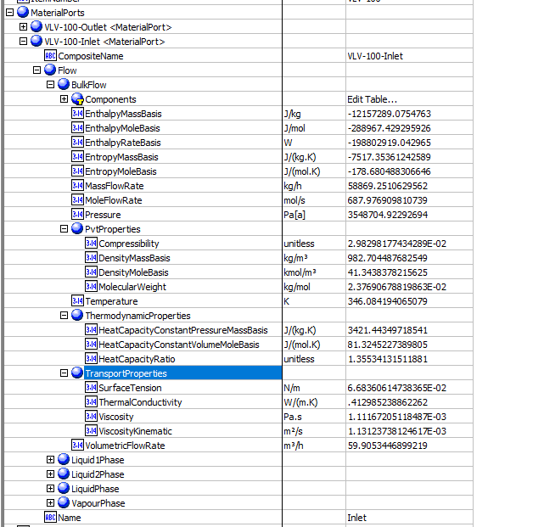
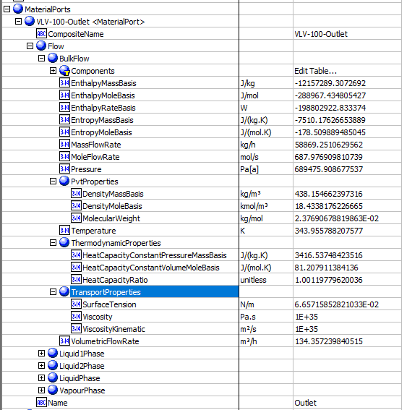
14 | Outlet Pressure | Streams.Outlet.Worksheet.Conditions.Pressure | MaterialPorts[Name="Outlet"].Flow.BulkFlow.Pressure | 689.47590868 | kPa
15 | ChokedOutletPressure | PressureOutChocked | PressureOutChocked | Not found in hysys
16 | Outlet Temperature, TemperatureOut | Streams.Outlet.Worksheet.Conditions.Temperature | MaterialPorts[Name="Outlet"].Flow.BulkFlow.Temperature | 343.95578821 | K
17 | OutletVaporFaction, VaporMoleFractionOut | Streams.Outlet.Worksheet.Conditions.Vapour/Phase Fraction.Vapour Phase | MaterialPorts[Name="Outlet"].Flow.VapourPhase.MoleFraction (%) | 0.0075385280014 | fraction
18 | ValveFlowCoefficient | UnitOps.Rating.Sizing.Cv[USGPM(60F,1psi)] | ValveFlowCoefficient | 25.241561195
19 | CavitationIndex | UnitOps.Rating.FlowLimits.Kc | CavitationIndex | 0
20 | PressureRecoveryFactor | UnitOps.Rating.Sizing.Km | PressureRecoveryFactor | 0.9
21 | MoleFlowIn | Streams.Inlet.Worksheet.Conditions.Molar Flow | MaterialPorts[Name="Inlet"].Flow.BulkFlow.MoleFlowRate | 0.68797690981 | kgmole/s
22 | MoleFlowOut | Streams.Outlet.Worksheet.Conditions.Molar Flow | MaterialPorts[Name="Outlet"].Flow.BulkFlow.MoleFlowRate | 0.68797690981 | kgmole/s
23 | MassFlowOut | Streams.Outlet.Worksheet.Conditions.Mass Flow | MaterialPorts[Name="Outlet"].Flow.BulkFlow.MassFlowRate | 58869.251534 | kg/h
24 | Inlet Temperature | Streams.Inlet.Worksheet.Conditions.Temperature | MaterialPorts[Name="Inlet"].Flow.BulkFlow.Temperature | 346.08419407 | K

 |  |  |  |  |  | Outlet-LiquidPhase | Outlet-VaporPhase

